0. Overview
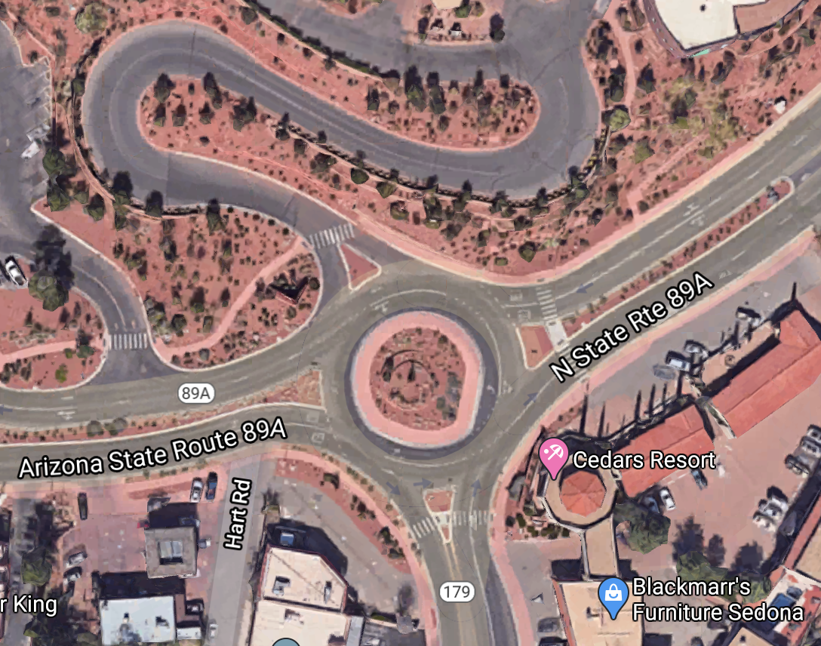
Overview:

1. Input Data
Instructions: | Input raw data on this sheet. Include time and traffic counts. (Adjust according to time analysis period)

Data origin: | All traffic counts in current spreadsheet provided by ADOT as heat map data taken from the Forest Avenue intersection in Sedona Arizona.

Intersection/Roundabout Information:
Location: | SR 89A & 179 in Sedona, AZ
No. lanes: | 1
Speed limit: | 25 mph
Distance: | 0.5 mi

Traffic Counts:

Traffic Counts
0.41666666667 | 1366
0.45833333333 | 1556
0.5 | 1652
0.54166666667 | 1700
0.58333333333 | 1732
0.625 | 1708
0.66666666667 | 1646
0.70833333333 | 1388
0.75 | 1170
Winter
7:00:00 | 8:00:00 | 9:00:00 | 10:00:00 | 11:00:00 | 12:00:00 | 13:00:00 | 14:00:00 | 15:00:00 | 16:00:00 | 17:00:00 | 18:00:00 | 19:00:00 | 20:00:00 | 21:00:00 | 22:00:00
115 | 271 | 329 | 492 | 624 | 711 | 738 | 756 | 732 | 690 | 584 | 505 | 445 | 244 | 170 | 113

Spring
7:00:00 | 8:00:00 | 9:00:00 | 10:00:00 | 11:00:00 | 12:00:00 | 13:00:00 | 14:00:00 | 15:00:00 | 16:00:00 | 17:00:00 | 18:00:00 | 19:00:00 | 20:00:00 | 21:00:00 | 22:00:00
164 | 337 | 541 | 754 | 827 | 882 | 929 | 963 | 972 | 974 | 818 | 683 | 595 | 493 | 279 | 173

Summer
7:00:00 | 8:00:00 | 9:00:00 | 10:00:00 | 11:00:00 | 12:00:00 | 13:00:00 | 14:00:00 | 15:00:00 | 16:00:00 | 17:00:00 | 18:00:00 | 19:00:00 | 20:00:00 | 21:00:00 | 22:00:00
206 | 385 | 614 | 803 | 883 | 885 | 883 | 879 | 858 | 803 | 680 | 567 | 490 | 420 | 314 | 179

Average
7:00:00 | 8:00:00 | 9:00:00 | 10:00:00 | 11:00:00 | 12:00:00 | 13:00:00 | 14:00:00 | 15:00:00 | 16:00:00 | 17:00:00 | 18:00:00 | 19:00:00 | 20:00:00 | 21:00:00 | 22:00:00
162 | 331 | 495 | 683 | 778 | 826 | 850 | 866 | 854 | 823 | 694 | 585 | 510 | 386 | 255 | 155

Final Traffic Counts (account for No. lanes):
7:00:00 | 8:00:00 | 9:00:00 | 10:00:00 | 11:00:00 | 12:00:00 | 13:00:00 | 14:00:00 | 15:00:00 | 16:00:00 | 17:00:00 | 18:00:00 | 19:00:00 | 20:00:00 | 21:00:00 | 22:00:00
162 | 331 | 495 | 683 | 778 | 826 | 850 | 866 | 854 | 823 | 694 | 585 | 510 | 386 | 255 | 155

Observed Delay
Assume mu:
mu | 774

Observed Delay (Hand Calculate) (in hours):

7:00:00 | 8:00:00 | 9:00:00 | 10:00:00 | 11:00:00 | 12:00:00 | 13:00:00 | 14:00:00 | 15:00:00 | 16:00:00 | 17:00:00 | 18:00:00 | 19:00:00 | 20:00:00 | 21:00:00 | 22:00:00
0 | 0 | 0 | 0 | 2.5500 | 8.8000 | 10.8000 | 13.8000 | 8.8000 | 4.80000 | 1.8000 | 0 | 0 | 0 | 0 | 0
 |  |  | 0 | 0.042 | 0.147 | 0.180 | 0.230 | 0.147 | 0.080 | 0.030 | 0.000
Queue = w*mu |  |  | 0 | 32.895 | 113.520 | 139.320 | 178.020 | 113.520 | 61.920 | 23.220 | 0.000

How to Calculate Observed Delay:
$$w\left(t\right)=segment distance(\frac{1}{v_{congestion}}−\frac{1}{v_{free−flow}})$$

2. Data Interpretation
Instructions: | Data interpretation using information given in Sheet 1. Adjust according to analysis period.

Given:
Queue formation | t0 | 10 | (Queue appears)
Max Queue length | t2 | 14 | (Peak Queue)
Queue dissipates | t3 | 18 | (Queue dissipates)
Eqn 1.1 | m | 0.5 | ∈[0.5,0.66,0.72]
constant mu | mu | 774

Solve 1st:

Step 1: find Gamma |  |  |  |  |  |  |  |  |  |  |  |  |  | t0 |  |  |  | t2 |  |  |  | t3
 |  |  | Description of Variable | Symbol | 1 | 2 | 3 | 4 | 5 | 6 | 7 | 8 | 9 | 10 | 11 | 12 | 13 | 14 | 15 | 16 | 17 | 18 | 19 | 20 | 21 | 22 | 23 | 24
 |  | Given | Historical Traffic Flow | lambda(t) |  |  |  |  |  |  | 162 | 331 | 495 | 683 | 778 | 826 | 850 | 866 | 854 | 823 | 694 | 585 | 510 | 386 | 255 | 155
 |  | Given | Observed Queue (hr) | Q_obs(t) as Y |  |  |  |  |  |  | 0 | 0 | 0 | 0 | 64.4167 | 128.833 | 154.600 | 193.250 | 154.600 | 128.833 | 64.4167 | 0 | 0 | 0 | 0 | 0
 |  | Derived | estimated X | X |  |  |  |  |  |  |  |  |  | 0 | 12.25 | 36 | 56.25 | 64 | 56.25 | 36 | 12.25 | 0

Step 2: find mu(t)
 |  |  | Gamma to be estimated | 3.0500109515
 | Eqn 2.5 | Calculate | Netflow(t)=lambda(t)-mu(t) |  |  |  |  |  |  |  |  |  |  | 0 | 64.050229982 | 73.200262837 | 45.750164273 | 0 | -45.750164273 | -73.200262837 | -64.050229982 | 0
 | Eqn 2.1 | Calculate | mu (t)=lambda(t)-netflow(t) | mu(t) |  |  |  |  |  |  |  |  |  | 683 | 713.94977002 | 752.79973716 | 804.24983573 | 866 | 899.75016427 | 896.20026284 | 758.05022998 | 585
 | Eqn 2.4 | Calculate | Simulated Queue Length Q_s(t+1)= Q_s(t)+lambda(t)-Mu(t) | Q_S(t) |  |  |  |  |  |  |  |  | 0 | 0 | 64.050229982 | 137.25049282 | 183.00065709 | 183.00065709 | 137.25049282 | 64.050229982 | 0 | 0 | 0
 | Eqn 2.3 | Calculate | Time-dependent approximated Waiting Time= Queue(t)/mu(t) | w(t) |  |  |  |  |  |  |  |  |  | 0 | 4.9651341071 | 10.639573087 | 14.186097449 | 14.186097449 | 10.639573087 | 4.9651341071 | 0 | 0

Simulated scenario:
 |  |  |  |  |  |  |  | Assume:
 |  |  |  |  |  |  |  | mu difference: |  | 30

Solve 2nd:
 |  |  | Description of Variable | Symbol | 1 | 2 | 3 | 4 | 5 | 6 | 7 | 8 | 9 | 10 | 11 | 12 | 13 | 14 | 15 | 16 | 17 | 18 | 19 | 20 | 21 | 22 | 23 | 24
 |  | Given | Historical Traffic Flow | lambda(t) |  |  |  |  |  |  | 162 | 331 | 495 | 683 | 778 | 826 | 850 | 866 | 854 | 823 | 694 | 585 | 510 | 386 | 255 | 0
 |  | Assume | mu (t) | mu_new(t) |  |  |  |  |  |  |  |  |  | 713 | 743.94977002 | 782.79973716 | 834.24983573 | 896 | 929.75016427 | 926.20026284 | 788.05022998 | 615 | 30 | 30 | 30 | 30
 | Eqn 2.4 | Calculate | Simulated Queue Length Q_s(t+1)= Q_s(t)+lambda(t)-Mu(t) | Q_simu_new(t) |  |  |  |  |  |  |  |  | 0 | 0 | 34.050229982 | 77.250492819 | 93.000657092 | 63.000657092 | 0 | 0 | 0 | 0
 | Eqn 2.3 | Calculate | Time-dependent approximated Waiting Time= Queue(t)/avg mu | w(t) |  |  |  |  |  |  |  |  |  | 0 | 2.541061939 | 5.7649621507 | 6.9403475442 | 4.701541574 | 0 | 0 | 0 | 0

Reference Equations:
Eqn 1.1

Eqn 2.1

Eqn 2.2

Eqn 2.3

Eqn 2.4

Eqn 2.5
$$Netflow\left(t\right)=λ\left(t\right)−μ(t)$$

3. Output
Solve 1:
Time-dependent Queue Length
10 | 0
11 | 64.050229982
12 | 137.25049282
13 | 183.00065709
14 | 183.00065709
15 | 137.25049282
16 | 64.050229982
17 | 0
Time-dependent Delay and Observed Delay
 | estimated | observed
10 | 0 | 0.0000
11 | 64.050229982 | 64.4167
12 | 137.25049282 | 128.8333
13 | 183.00065709 | 154.6000
14 | 183.00065709 | 193.2500
15 | 137.25049282 | 154.6000
16 | 64.050229982 | 128.8333
17 | 0 | 64.4167
18 | 0 | 0.0000
Variables as a Function of Time
 | Historical Lamda | Observed Queue Length | Netflow | Capacity (Mu) | Simulated Queue Length
10 | 683 | 0.0000 | 0 | 683 | 0
11 | 778 | 64.4167 | 64.050229982 | 713.94977002 | 64.050229982
12 | 826 | 128.8333 | 73.200262837 | 752.79973716 | 137.25049282
13 | 850 | 154.6000 | 45.750164273 | 804.24983573 | 183.00065709
14 | 866 | 193.2500 | 0 | 866 | 183.00065709
15 | 854 | 154.6000 | -45.750164273 | 899.75016427 | 137.25049282
16 | 823 | 128.8333 | -73.200262837 | 896.20026284 | 64.050229982
17 | 694 | 64.4167 | -64.050229982 | 758.05022998 | 0
18 | 585 | 0.0000 | 0 | 585 | 0

Historical Vehicle Inflow
1
2
3
4
5
6
7 | 162
8 | 331
9 | 495
10 | 683
11 | 778
12 | 826
13 | 850
14 | 866
15 | 854
16 | 823
17 | 694
18 | 585
19 | 510
20 | 386
21 | 255
22 | 155
23
24
Incoming Flow Compared to Capacity
 | Lamda | Mu
10 | 683 | 683
11 | 778 | 713.94977002
12 | 826 | 752.79973716
13 | 850 | 804.24983573
14 | 866 | 866
15 | 854 | 899.75016427
16 | 823 | 896.20026284
17 | 694 | 758.05022998
18 | 585 | 585

Solve 2:
Estimated Incoming Flow Compared to Capacity
 | lamda | mu
10 | 683 | 713
11 | 778 | 743.94977002
12 | 826 | 782.79973716
13 | 850 | 834.24983573
14 | 866 | 896
15 | 854 | 929.75016427
16 | 823 | 926.20026284
17 | 694 | 788.05022998
18 | 585 | 615
Observed, Approximated and Estimated Delay
 | Approximated | Estimated | Observed
10 | 0 | 0 | 0.0000
11 | 4.9651341071 | 2.541061939 | 2.5500
12 | 10.639573087 | 5.7649621507 | 8.8000
13 | 14.186097449 | 6.9403475442 | 10.8000
14 | 14.186097449 | 4.701541574 | 13.8000
15 | 10.639573087 | 0 | 8.8000
16 | 4.9651341071 | 0 | 4.8000
17 | 0 | 0 | 1.8000
18 | 0 | 0 | 0.0000

